Sheet1
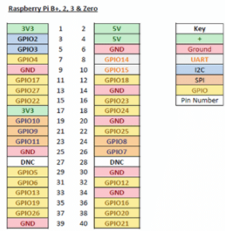
Corner of board
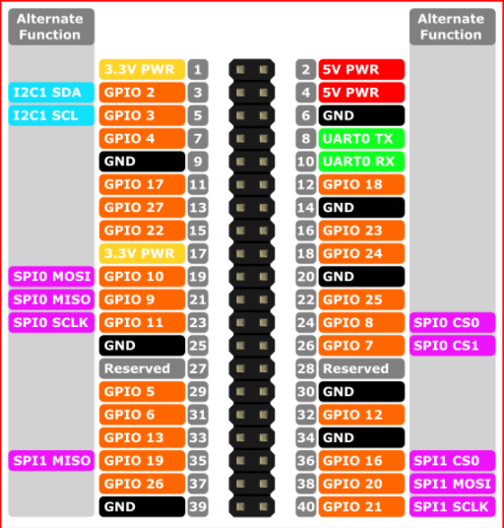

 |  | 5V
VL53L0X SCL | BNO055 SCL
VL53L0X SDA | BNO055 SDA
 |  |  | Right SONAR Echo
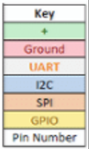
 |  | Left Wheel PWM
 |  |  | 2Kohm Resistor
 |  | Right Wheel PWM
 |  |  | 1Kohm Resistor
 |  |  |  | GROUND
 |  | Left SONAR Trigger | 1Kohm Resistor

 |  | Right SONAR Trigger | 2Kohm Resistor

 | 28BYJ Driver IN4
 | 28BYJ Driver IN3 |  | Left SONAR Echo
 | 28BYJ Driver IN2

 | 28BYJ Driver IN1
 | GROUND | LED

